Sheet1
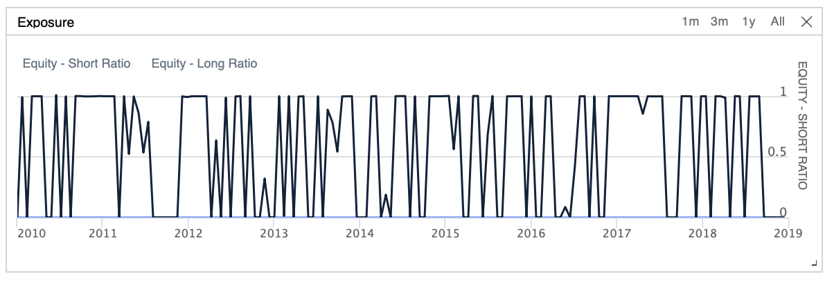

 | Lookback | Sharpe | CAGR | Drawdown max | Drawdown Recovery | Avg win | Avg loss | Win Rate | Loss rate | Profit-Loss-Ratio | Orders | Exposure chart comments
Mule | 5 days | 0.253 | 4.252% | 18.20% | 1285 | 2.44% | -1.52% | 45% | 55% | 1.61 | 343
Jackal | 10 days | 0.087 | 2.07% | 17.30% | 645 | 3.23% | -1.66% | 39% | 61% | 1.95 | 191
Beaver | 15 days | 0.158 | 2.999% | 24.40% | 1143 | 3.72% | -2.15% | 45% | 55% | 1.73 | 132
Pony | 30 days | 0.279 | 4.83% | 23.50% | 914 | 4.89% | -3.46% | 58% | 42% | 1.41 | 67 | Longer periods of exposure
Parrot | 40 days | 0.4 | 7.01% | 26.50% | 816 | 8.69% | -5.63% | 65% | 35% | 1.54 | 42 | …
Buffalo | 45 days | 0.419 | 7.39% | 27.20% | 875 | 11.07% | -6.88% | 65% | 35% | 1.61 | 39 | Even longer periods of exposure

